汇总分析
共10个参考点，字和截图多，抓重点看红色字体部分看便可，截图只是部分数据依据
广告结构分配：预算过于集中在SP广告上 1.可增加SD广告花费投放占比：SD广告CPA相对较有优势，CPC低，且CR跟SP广告相差不； 2.SBV广告根据数据评估暂时不建议投放，具体可分析视频广告的投放词来源、视频观看跳出率观看时长
Type | 求和项:花费占比 | 求和项:Spend(USD) | 求和项:CPC | 求和项:CR | 求和项:CPA | 求和项:ROI | 求和项:CTR2 | 求和项:Impressions | 求和项:Clicks
SBV | 1.06% | 170 | 1.62 | 3.81% | 42.43 | 1.04 | 0.6% | 16,527 | 105
SD | 3.73% | 597 | 1.14 | 5.92% | 19.26 | 2.19 | 0.4% | 136,172 | 524
SP | 95.21% | 15,240 | 1.36 | 6.22% | 21.93 | 2.10 | 0.4% | 2,612,742 | 11,180
总计 | 100.00% | 16,006 | 1.36 | 6.18% | 21.93 | 2.10 | 0.4% | 2,765,441 | 11,809

3.SD广告的ASIN CR 和CPA相对较优，可选择投放SD-PT ASIN 定向；SD-PT-类目不建议投放(自定义形式可低预算低BID测试拓流）

SP广告的数据表现
4.广泛的CR及CPA较优，可从SP-广泛提单量-提高高SPR词的自然排名，等listing 排名上去再去精准推SPR高的词
精准投放的CPC比广泛的低，CR也相对较低-不合理（需区分精准高价和精准低价投放，哪个影响数据较大），下方数据获得是精准高价组整体的数据影响大-见右侧截图（精准匹配出价不合理-目的不明确并存在重复投放，SPR需评估；低价组可以维持） |  |  |  |  |  |  |  |  |  |  |  | 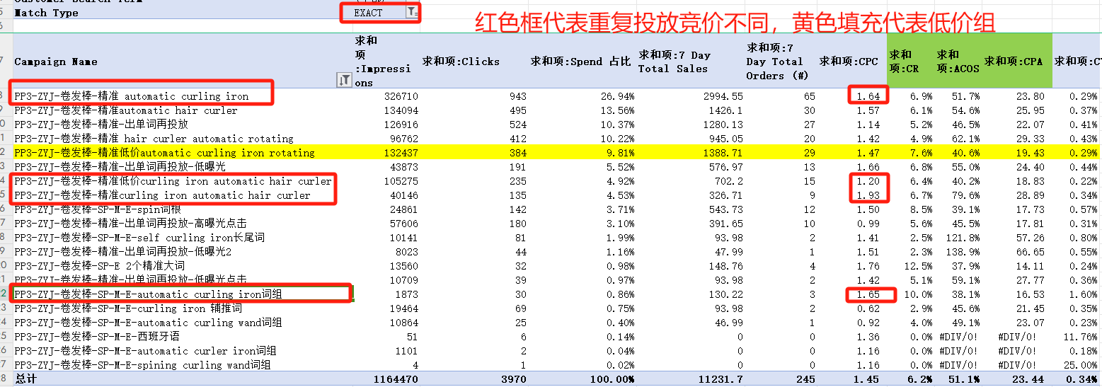
Targeting | 定向明细 | 求和项:花费占比 | 求和项:Spend(USD) | 求和项:CPC | 求和项:CR | 求和项:CPA | 求和项:ROI | 求和项:CTR2 | 求和项:Impressions | 求和项:Clicks
AUTOMATIC |  | 24.26% | 3,697 | 1.04 | 5.49% | 18.86 | 2.47 | 0.66% | 543,515 | 3,567
 | (空白) | 100.00% | 3,697 | 1.04 | 5.49% | 18.86 | 2.47 | 0.66% | 543,515 | 3,567
MANUAL |  | 75.74% | 11,543 | 1.52 | 6.55% | 23.13 | 1.99 | 0.37% | 2,069,227 | 7,613
 | ASIN | 3.15% | 363 | 1.61 | 5.75% | 27.95 | 1.67 | 1.35% | 16,757 | 226
 | 广泛 | 44.74% | 5,165 | 1.60 | 7.02% | 22.85 | 2.02 | 0.42% | 769,568 | 3,219
 | 精准 | 52.11% | 6,015 | 1.44 | 6.24% | 23.13 | 1.98 | 0.32% | 1,282,902 | 4,168

主推流量大的关键词出价调整跨度大，猛加猛降，很影响广告稳定性，特别是词的排位也不稳定；提价幅度不宜过猛，5%-30%为宜-(低于1000曝光的词除外）

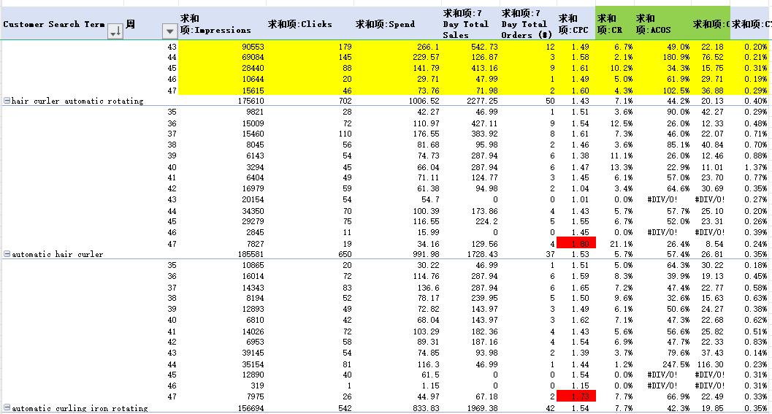

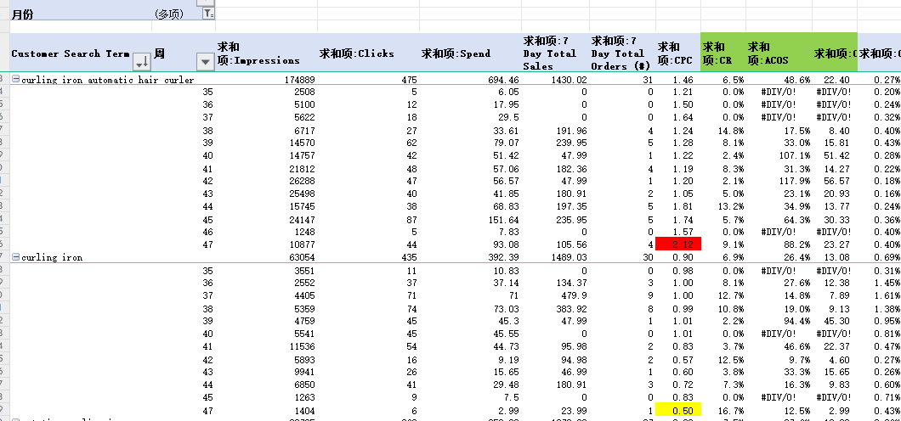

5.关键词匹配方式问题点
1.关键词投放形式混乱，出价不符合逻辑
推关键词思路：精准投放提单量和抢坑位，广泛投放是拓展长尾词或者其他相关词而不是关键词本身再投（提单量）
关键词出价逻辑：精准>词组>广泛>自动>高相关低转化词（精准低价）
前期广告策略：抢坑位+拓词架构【关键词精准单词单活动+广泛匹配（关键词否定本身）+自动广告】3个活动足够，如果抢坑位的词多广告活动数量可以是3+n(n代表单词单活动--最多不能超过5个）
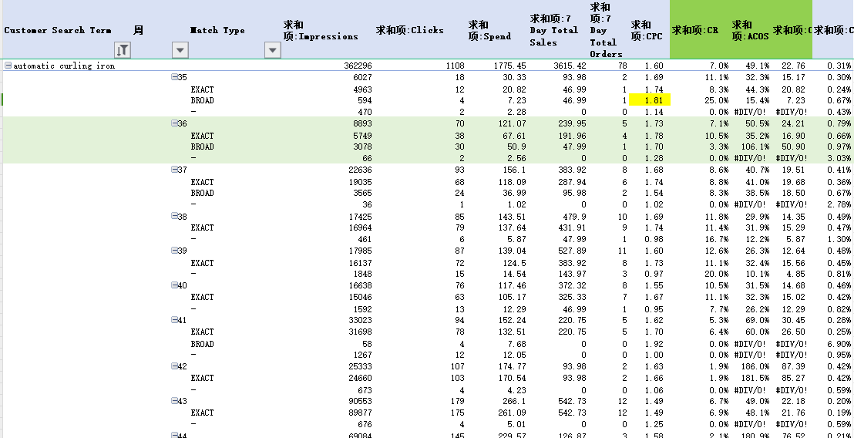

6.ASIN分析参考如下，出单ASIN 转化表现好的还需评估相关性和优劣再投放，其他建议参考备注
Customer Search Term | 求和项:Impressions | 求和项:Clicks | 求和项:Spend 占比 | 求和项:7 Day Total Sales | 求和项:7 Day Total Orders (#) | 求和项:CPC | 求和项:CR | 求和项:ACOS | 求和项:CPA | 求和项:CTR | 备注
b0b3jc9596 | 3976 | 69 | 18.18% | 187.16 | 4 | 1.48 | 5.8% | 54.5% | 25.50 | 1.74% | 需分析优劣（有优势可自动和类目投放中否定手动PT低价投放观察）
b08gcv2377 | 1387 | 41 | 11.88% | 191.96 | 4 | 1.63 | 9.8% | 34.7% | 16.67 | 2.96% | 出单ASIN-直接SP或SD-PT-ASIN 定向
b09q8l36zw | 2570 | 39 | 10.99% | 143.97 | 3 | 1.58 | 7.7% | 42.8% | 20.55 | 1.52% | 出单ASIN-直接SP或SD-PT-ASIN 定向
b0795wdzz9 | 2007 | 34 | 8.67% | 93.98 | 2 | 1.43 | 5.9% | 51.8% | 24.32 | 1.69% | 需分析优劣（有优势可自动和类目投放中否定手动PT低价投放观察）
b0b79qpgyy | 2191 | 31 | 9.57% | 38.39 | 1 | 1.73 | 3.2% | 139.9% | 53.71 | 1.41% | 需分析优劣（自动和类目投放中否定或不投，有优势-客单价明显优势可PT-ASIN定投-出价不宜过高）
b08yk5ngg7 | 3326 | 18 | 3.34% | 46.99 | 1 | 1.04 | 5.6% | 39.8% | 18.72 | 0.54% | 出单ASIN-直接SP或SD-PT-ASIN 定向
b0ccqpqtdd | 3311 | 15 | 1.95% | 0 | 0 | 0.73 | 0.0% | #DIV/0! | #DIV/0! | 0.45% | 检查相关性和对比优劣优化，目前可先否定
b07vyk8gy9 | 2069 | 15 | 1.95% | 46.99 | 1 | 0.73 | 6.7% | 23.3% | 10.93 | 0.72% | 出单ASIN-直接SP或SD-PT-ASIN 定向
b09dk37t2p | 369 | 11 | 2.81% | 0 | 0 | 1.43 | 0.0% | #DIV/0! | #DIV/0! | 2.98% | 检查相关性和对比优劣优化，目前可先否定
b00n18rias | 189 | 7 | 1.25% | 46.99 | 1 | 1.00 | 14.3% | 14.9% | 7.00 | 3.70% | 出单ASIN-直接SP或SD-PT-ASIN 定向
b0chj887bn | 646 | 5 | 0.85% | 35.24 | 1 | 0.96 | 20.0% | 13.6% | 4.78 | 0.77% | 出单ASIN-直接SP或SD-PT-ASIN 定向
b0c81lfw89 | 178 | 5 | 0.92% | 46.99 | 1 | 1.03 | 20.0% | 11.0% | 5.15 | 2.81% | 出单ASIN-直接SP或SD-PT-ASIN 定向

7.出单词的平均转化率12.64%， |  |  | 广告需转化率需达到这个目标值：12.64%*0.6=7.58%，可参考品牌指标分析品类转化率水平
可通过词频工具找出高转化的词根和属性词埋入listing中
搜索词报告中高转化高流量的词低CPA词-可直接投放精准，注意出价需在建议竞价范围以上（方法：把所有要投放的词放大卖家精灵做关键词挖掘反查，导出关键词的参考竞价-低中高的三段，各取其均值）

8.竞价策略推荐 down only 和fixed （ 低基础bid+ 高百分比位置竞价策略），流量高峰期可用up &down-注意调整合理的基础CPC即可
数据分析得出转化率情况：down 和fixed 相对较优-up&donw 表现差 TOS和ROS 的表现相对较优

9.搜索词报告点击大于10个的关键词分析（需优先判断相关性）
1.搜索词报告中不含ASIN部分均值转化率6.3%，低于6.3%的词相关的可做精准低价观察，不相关直接精否即可（自动和广泛中同时否定）
2.搜索词报告中转化率高但ACOS或CPA未达到目标值的关键词， 需看SPR和关键词排名如何，跟我们产品坑位排名是否匹配，不匹配可以做低价拓长尾投放；坑位和排名匹配的 关键词bid出价可逐步下调
3.搜索词报告中高转化词低CPA词，反查关键词的自然排名，没推上去的保证预算，可加大去推广；已经推上去，可以逐步降bid,降bid 需关注自然排名
Customer Search Term | 求和项:Impressions | 求和项:Clicks | 求和项:Spend 占比 | 求和项:7 Day Total Sales | 求和项:7 Day Total Orders (#) | 求和项:CPC | 求和项:CR | 求和项:ACOS | 求和项:CPA | 求和项:CTR
automatic curling iron | 362296 | 1108 | 12.57% | 3615.42 | 78 | 1.60 | 7.0% | 49.1% | 22.76 | 0.31%
hair curler automatic rotating | 175610 | 702 | 7.12% | 2277.25 | 50 | 1.43 | 7.1% | 44.2% | 20.13 | 0.40%
automatic hair curler | 185581 | 650 | 7.02% | 1728.43 | 37 | 1.53 | 5.7% | 57.4% | 26.81 | 0.35%
automatic curling iron rotating | 156694 | 542 | 5.90% | 1969.38 | 42 | 1.54 | 7.7% | 42.3% | 19.85 | 0.35%
curling iron automatic hair curler | 174889 | 475 | 4.92% | 1430.02 | 31 | 1.46 | 6.5% | 48.6% | 22.40 | 0.27%
curling iron | 63054 | 435 | 2.78% | 1489.03 | 30 | 0.90 | 6.9% | 26.4% | 13.08 | 0.69%
rotating curling iron | 98795 | 360 | 2.50% | 1278.33 | 27 | 0.98 | 7.5% | 27.6% | 13.09 | 0.36%
hair curling iron | 68032 | 294 | 2.04% | 433.1 | 10 | 0.98 | 3.4% | 66.5% | 28.82 | 0.43%
curling wand | 30198 | 273 | 2.04% | 816.67 | 18 | 1.06 | 6.6% | 35.4% | 16.04 | 0.90%
automatic hair curler for long hair | 51422 | 245 | 2.45% | 611.27 | 13 | 1.41 | 5.3% | 56.7% | 26.65 | 0.48%
auto curling iron rotating | 53722 | 235 | 2.81% | 816.92 | 18 | 1.69 | 7.7% | 48.5% | 22.02 | 0.44%
auto hair curler | 26630 | 153 | 1.70% | 563.28 | 13 | 1.57 | 8.5% | 42.7% | 18.49 | 0.57%
curler | 6046 | 123 | 0.99% | 325.33 | 7 | 1.14 | 5.7% | 43.2% | 20.08 | 2.03%
auto rotating curling iron | 19296 | 76 | 0.96% | 324.53 | 7 | 1.79 | 9.2% | 41.9% | 19.41 | 0.39%
curlers | 4867 | 75 | 0.57% | 181.56 | 4 | 1.07 | 5.3% | 44.3% | 20.10 | 1.54%
auto rotate ceramic hair curler portable | 10373 | 73 | 0.83% | 427.11 | 9 | 1.61 | 12.3% | 27.5% | 13.03 | 0.70%
spin and curl curling iron | 13680 | 70 | 0.72% | 275.89 | 6 | 1.45 | 8.6% | 36.8% | 16.93 | 0.51%
automatic curler | 2229 | 64 | 0.58% | 264.49 | 6 | 1.28 | 9.4% | 30.9% | 13.60 | 2.87%
automatic hair curler rotating | 6433 | 63 | 0.70% | 237.95 | 5 | 1.56 | 7.9% | 41.3% | 19.67 | 0.98%
auto curling iron | 6298 | 61 | 0.73% | 47.99 | 1 | 1.69 | 1.6% | 214.3% | 102.86 | 0.97%
curlers for long hair | 2793 | 55 | 0.42% | 95.98 | 2 | 1.07 | 3.6% | 61.5% | 29.52 | 1.97%
automatic curling iron for long hair | 2524 | 52 | 0.60% | 273.19 | 6 | 1.64 | 11.5% | 31.2% | 14.19 | 2.06%
curling irons | 5927 | 50 | 0.30% | 94.98 | 2 | 0.84 | 4.0% | 44.3% | 21.03 | 0.84%
hair curler | 3073 | 47 | 0.38% | 142.97 | 3 | 1.15 | 6.4% | 37.9% | 18.05 | 1.53%
automatic rotating curling iron | 6064 | 43 | 0.48% | 143.97 | 3 | 1.59 | 7.0% | 47.4% | 22.76 | 0.71%
self curling hair curler | 4176 | 42 | 0.34% | 132.37 | 3 | 1.14 | 7.1% | 36.1% | 15.92 | 1.01%
kiss curling iron automatic rotating | 18177 | 42 | 0.47% | 47.99 | 1 | 1.58 | 2.4% | 138.2% | 66.32 | 0.23%
hair curling iron automatic | 2308 | 41 | 0.49% | 173.31 | 4 | 1.67 | 9.8% | 39.6% | 17.15 | 1.78%
hair curlers for long hair | 1251 | 38 | 0.32% | 190.96 | 4 | 1.19 | 10.5% | 23.7% | 11.32 | 3.04%
hair curlers | 2778 | 38 | 0.29% | 47.99 | 1 | 1.07 | 2.6% | 84.8% | 40.71 | 1.37%
auto hair curler, automatic curling iron wand | 418 | 36 | 0.45% | 181.56 | 4 | 1.78 | 11.1% | 35.2% | 15.99 | 8.61%
rotating automatic hair curlers | 960 | 34 | 0.36% | 47.99 | 1 | 1.49 | 2.9% | 105.2% | 50.49 | 3.54%
travel auto hair curler | 1653 | 33 | 0.35% | 47.99 | 1 | 1.50 | 3.0% | 103.4% | 49.63 | 2.00%
curly iron | 443 | 33 | 0.21% | 143.97 | 3 | 0.92 | 9.1% | 21.0% | 10.09 | 7.45%
curling iron for long hair | 552 | 32 | 0.25% | 94.98 | 2 | 1.12 | 6.3% | 37.7% | 17.91 | 5.80%
automatic curling wand | 10394 | 31 | 0.18% | 128.57 | 3 | 0.84 | 9.7% | 20.2% | 8.65 | 0.30%
auto hair curler automatic curling iron wand with 4 temperatures | 8298 | 31 | 0.34% | 239.95 | 5 | 1.54 | 16.1% | 19.9% | 9.54 | 0.37%
hair curling | 601 | 28 | 0.22% | 189.96 | 4 | 1.10 | 14.3% | 16.2% | 7.71 | 4.66%
best automatic hair curler | 2911 | 28 | 0.32% | 95.98 | 2 | 1.60 | 7.1% | 46.5% | 22.34 | 0.96%
automatic curler for long hair | 2010 | 27 | 0.28% | 47.99 | 1 | 1.48 | 3.7% | 83.3% | 39.98 | 1.34%
curlers for thick hair | 516 | 26 | 0.18% | 93.98 | 2 | 0.98 | 7.7% | 27.1% | 12.72 | 5.04%
automatic rotating curling | 2991 | 24 | 0.19% | 47.99 | 1 | 1.09 | 4.2% | 54.6% | 26.22 | 0.80%
curling | 624 | 23 | 0.19% | 123.97 | 3 | 1.18 | 13.0% | 21.9% | 9.06 | 3.69%
automatic hair curling wand | 3888 | 22 | 0.28% | 94.98 | 2 | 1.82 | 9.1% | 42.1% | 19.99 | 0.57%
laluztop auto hair curler | 2387 | 21 | 0.23% | 95.98 | 2 | 1.56 | 9.5% | 34.2% | 16.39 | 0.88%
hair curler automatic | 623 | 21 | 0.21% | 95.98 | 2 | 1.42 | 9.5% | 31.0% | 14.88 | 3.37%
super duomishu automatic curling iron | 990 | 20 | 0.21% | 143.97 | 3 | 1.46 | 15.0% | 20.2% | 9.71 | 2.02%
automatic hair curling wand-3 interchangeable heating iron barrels hair styling | 10502 | 20 | 0.25% | 47.99 | 1 | 1.77 | 5.0% | 73.9% | 35.45 | 0.19%
auto rotate ceramic hair curler | 1197 | 20 | 0.23% | 143.97 | 3 | 1.64 | 15.0% | 22.8% | 10.92 | 1.67%
spinning curling iron | 3106 | 18 | 0.23% | 46.99 | 1 | 1.80 | 5.6% | 68.9% | 32.39 | 0.58%
auto hair curler automatic curling iron wand | 2528 | 18 | 0.21% | 191.96 | 4 | 1.65 | 22.2% | 15.5% | 7.43 | 0.71%
auto curling iron rotating long hair | 1457 | 18 | 0.21% | 95.98 | 2 | 1.67 | 11.1% | 31.4% | 15.05 | 1.24%
hair rollers | 807 | 17 | 0.12% | 46.99 | 1 | 0.99 | 5.9% | 36.0% | 16.91 | 2.11%
automatic curling iron specialty auto hair curler with 4 temperature | 2533 | 17 | 0.22% | 95.98 | 2 | 1.80 | 11.8% | 32.0% | 15.34 | 0.67%
auto curling irons automatic rotating hair curling wands | 829 | 17 | 0.20% | 39.94 | 1 | 1.64 | 5.9% | 70.0% | 27.96 | 2.05%
upgraded automatic curling iron | 475 | 16 | 0.16% | 46.99 | 1 | 1.38 | 6.3% | 47.1% | 22.12 | 3.37%
auto curler curling iron | 2633 | 16 | 0.19% | 47.99 | 1 | 1.64 | 6.3% | 54.7% | 26.27 | 0.61%
superduomishu automatic curling iron | 1595 | 15 | 0.14% | 46.99 | 1 | 1.36 | 6.7% | 43.3% | 20.37 | 0.94%
hair curler wand | 219 | 15 | 0.10% | 95.98 | 2 | 0.95 | 13.3% | 14.8% | 7.10 | 6.85%
curling iron automatic | 483 | 15 | 0.16% | 47.99 | 1 | 1.52 | 6.7% | 47.6% | 22.82 | 3.11%
hair curler automatic rotating for long hair | 114 | 14 | 0.15% | 134.37 | 3 | 1.50 | 21.4% | 15.6% | 6.99 | 12.28%
ghkjok automatic hair curling iron | 52 | 14 | 0.12% | 366.27 | 8 | 1.19 | 57.1% | 4.5% | 2.07 | 26.92%
curling irons for long hair | 120 | 14 | 0.11% | 95.98 | 2 | 1.13 | 14.3% | 16.5% | 7.92 | 11.67%
conair automatic curling iron | 176 | 13 | 0.15% | 47.99 | 1 | 1.61 | 7.7% | 43.7% | 20.95 | 7.39%
miuopur automatic hair curling iron | 1800 | 12 | 0.14% | 47.99 | 1 | 1.64 | 8.3% | 41.1% | 19.73 | 0.67%
barrel curling iron | 151 | 12 | 0.09% | 47.99 | 1 | 1.09 | 8.3% | 27.3% | 13.09 | 7.95%
automatic hair curlers | 73 | 12 | 0.14% | 47.99 | 1 | 1.62 | 8.3% | 40.5% | 19.43 | 16.44%
auto ceramic hair curler | 378 | 12 | 0.14% | 91.18 | 2 | 1.69 | 16.7% | 22.2% | 10.12 | 3.17%
spinning hair curler | 898 | 11 | 0.11% | 46.99 | 1 | 1.45 | 9.1% | 34.0% | 15.97 | 1.22%
spin curling iron | 428 | 11 | 0.09% | 126.87 | 3 | 1.11 | 27.3% | 9.7% | 4.09 | 2.57%
automatic curling iron rotating for short hair | 100 | 10 | 0.12% | 47.99 | 1 | 1.70 | 10.0% | 35.4% | 16.99 | 10.00%

10.不相关的词及时否定或者提前在投放广泛和自动的活动中做前置否定

